Sheet1
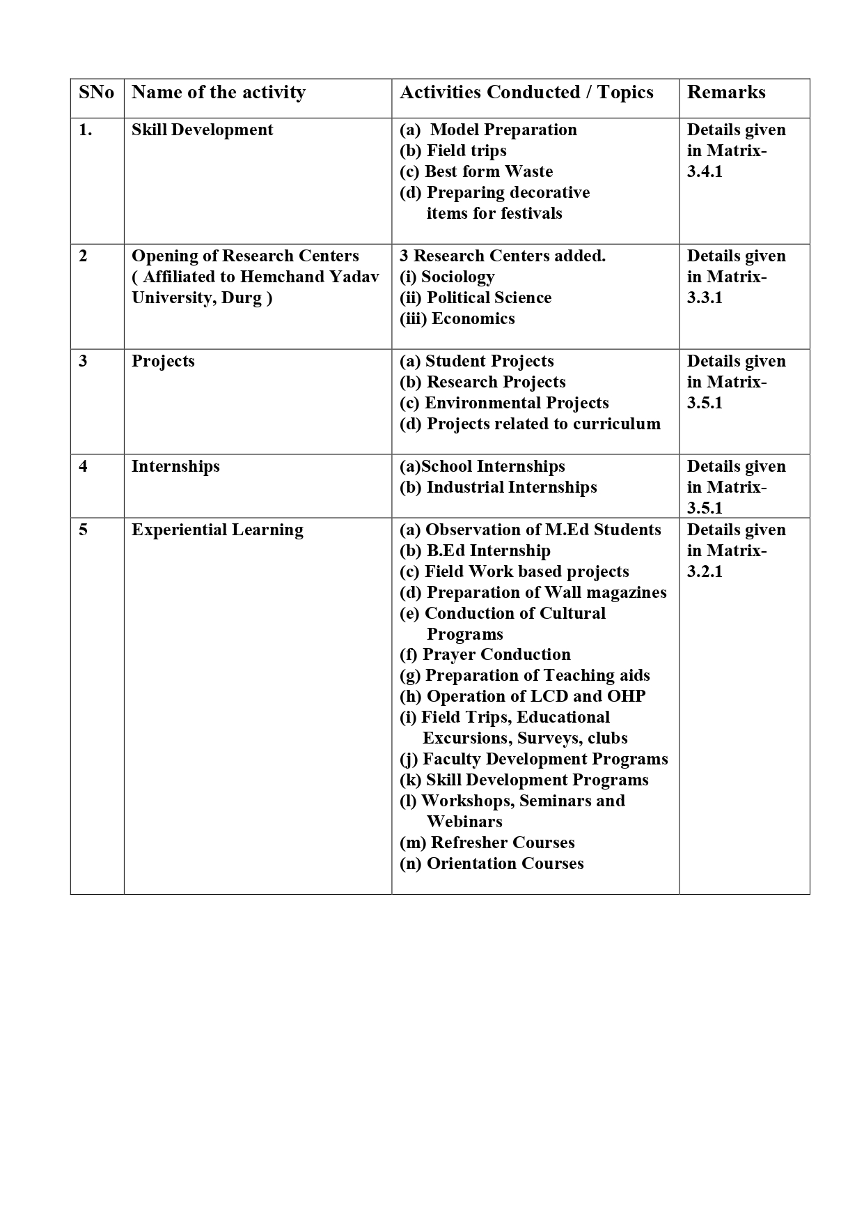
Kalyan Post Graduate College Bhilai Nagar, District Durg, Chhattisgarh, India Affiliated to Hemchand Yadav Vishwavidyalaya, Durg, Chhattisgarh Phone : 0788-2284965 Email : office@kalyanpgcollege.org www : kalyanpgcollege.org
3.2.1 - Institution has created an ecosystem for innovations and has initiatives for creation and transfer of knowledge
S.No. | Name | Topic | Sponsored / Venue | Date | Event
1 | Education Department | Data Analysis and Interpretation using SPSS | Indian Teacher Education Community in collaboration with Dr. Shadilal College of Education, Meerut. | 05 th April to 11th April 2021 | FDP
2 | Dr. Vinay Sharma | Online Education : Boon for upliftment of Higher Eduation Institutes | Hemchand Yadav University, Durg & Govt. VYT Autonomous College, Durg | 22nd July to 31st July 2020 | FDP
3 | Dr. Sumitra Mourya | Research Methodology and Technology Led paradigm shift in Teaching and learning process | P.G. D.A.V. College, Delhi and Buniyaad Education Society, Delhi. | 4th August to 12th August 2020 | FDP
4 | Dr. Shipra Sinha | Online Education : Boon for upliftment of Higher Eduation Institutes | Hemchand Yadav University, Durg & Govt. VYT Autonomous College, Durg | 22nd July to 31st July 2020 | FDP
5 | Dr. Sumitra Mourya | Online Education : Boon for upliftment of Higher Eduation Institutes | Hemchand Yadav University, Durg & Govt. VYT Autonomous College, Durg | 22nd July to 31st July 2020 | FDP
6 | Dr. Shipra Sinha | Life Science -Synthetic Biology | Human Resource Development Centre, Pt. Ravishankar Shukla University, Raipur | 14th Dec. to 28th Dec. 2020 | Refresher Course
7 | Zoology Department & IQAC | Covid-19 : Mental Health-Consequences and implications | Kalyan P.G. College, Bhilai Nagar | 17th July 2020 | National Webinar
8 | Education Department | SPSS | Indian Teacher Education Community in Collaboration with faculty of Education Kalyan P.G. College, Bhilai Nagar | 16th to 30th Oct. 2020 | Short Term Course
9 | Department of Zoology & Biotechnology | Basic Biology and Genetics | Kalyan P.G. College, Bhilai Nagar | 13th July to 16th July 2020 | Online quiz
10 | Department of Biotechnology | Covid-19 Vaccine safety, efficacy and awareness | Kalyan P.G. College, Bhilai Nagar | 21st June to 22nd June 2021 | International Webinar
11 | Dr. Shabana | Padagogy of Physical Science | Department of Education, Sambalpur University, Odisha | 1st Sept. to 12th Sept 2020 | National Webinar
12 | Dr. Anjan Kumar | Food Politics in language, literature and cinema | K.M. Agrawal College of Arts, Commerce and Science, Kalyan Mumbai | 8 Sept. to 10 Sept. 2020 | International E-Conference
13 | Kalyan P.G. College, Bhilai Nagar | Remote Sensing or Land Degradation | Indian & Institure of Remote Sensing, ISRO, Deharadun | 1st Dec. to 07th Dec. 2020 | Online training Programme
14 | Kalyan P.G. College, Bhilai Nagar | RS & GIS Applications | Indian & Institure of Remote Sensing, ISRO, Deharadun | 2nd Nov. to 20th Nov. 2020 | Online training Programme
15 | Ketan Singh | Geospatal Inputs for Enabling Master Plan formulation | Indian Institute of Remote Sensing (IIRS) | 27th July to 31st July 2020 | Online training Programme
16 | Dr. Neelam Shukla | Basics or Geo Computation and Geoweb Services | Indian Institute of Remote Sensing (IIRS) | 19th Oct. to 29th Oct. 2020 | Online training Programme
17 | Dr. Neelam Shukla | Advances in SAR Polarimetry & Interferometry | Indian Institute of Remote Sensing (IIRS) | 14th Dec. to 18th Dec. 2020 | Online training Programme
18 | Dr. Neelam Shukla | RS & GIS Applications | Indian Institute of Remote Sensing (IIRS) | 2nd Nov. to 20th Nov. 2020 | Online training Programme
19 | Dr. Neelam Shukla | Remote Sensing or Land Degradation | Indian Institute of Remote Sensing (IIRS) | 15th Dec. to 07th Dec. 2020 | Online training Programme
20 | Dr. Neelam Shukla | Geographical Information System | Indian Institute of Remote Sensing (IIRS) | 28th Sep to 15th Oct. 2020 | Online training Programme
21 | Dr. Neelam Shukla | Global Navigation Satellite System | Indian Institute of Remote Sensing (IIRS) | 14th Sep. to 25th Sep. 2020 | Online training Programme
22 | Dr. Neelam Shukla | Remote Sensing and Digital Image Analysis | Indian Institute of Remote Sensing (IIRS) | 17th Aug. to 11th Sep. 2020 | Online training Programme
23 | Dr. Neelam Shukla | Basics or Remote Sensing Geographical Information System and Global Navigation Satellite System. | Indian Institute of Remote Sensing (IIRS) | 17th Aug. to 20th Nov. 2020 | Online training Programme
24 | Dr. Neelam Shukla | Remote Sensing Applications in Agricultural water management | Indian Institute of Remote Sensing (IIRS) | 03rd Aug. to 07th Aug. 2020 | Online training Programme
25 | Dr. Neelam Shukla | Geospatial Inputs for Enabling Master Plan formulation | Indian Institute or Remote Sensing (IIRS) | 27th July to 31st July 2020 | Online training Programme
26 | Mr. Ketan Singh | Basics or Geo Computation and Geoweb Services | Indian Institute of Remote Sensing (IIRS) | 19th Oct. to 29th Oct. 2020 | Online training Programme
27 | Dr. Neelam Shukla | RS & GIS Application | Indian Institute of Remote Sensing (IIRS) | 02nd Nov. to 20th Nov. 2020 | Online training Programme
28 | Dr. Neelam Shukla | Besicss or Geo Computation and Geoweb Services | Indian Institute of Remote Sensing (IIRS) | 19th Oct. to 29th Oct. 2020 | Online training Programme
29 | Kalyan P.G. College, Bhilai Nagar | Remote Sensing Applications in Agricultural water management | Indian Institute of Remote Sensing (IIRS) | 3rd August to 07th August 2020 | Online training Programme
30 | Kalyan P.G. College, Bhilai Nagar | RS & GIS Application | Indian Institute of Remote Sensing (IIRS) | 2nd Nov. to 20th Nov. 2020 | Online training Programme
31 | Kalyan P.G. College, Bhilai Nagar | Basics or Geo Computation and Geoweb Services | Indian Institute of Remote Sensing (IIRS) | 19th Oct. to 29th Oct. 2020 | Online training Programme
32 | Dr. Shipra Sinha | Excellence in college education after covid-19 pandemic | IQAC, Govt E.Raghavendra Rao PG Science college, Bilaspur | 30th June to 04th July 2020 | FDP
33 | Ketan Singh | Basics or Geo Computation and Geoweb Services | Indian Institute of Remote Sensing (IIRS) Dehradun | 19th Oct. to 29th Oct. 2020 | Online Course
34 | Ketan Singh | Advances in SAR Polarimetry & Interferometry | Indian Institute of Remote Sensing (IIRS) Dehradun | 14th Dec. to 18th Dec. 2020 | Online Course
35 | Dr. Vinay Sharma | Energy and Environment | Kalyan P.G. College, Bhilai Nagar | 04th June to 06th June 2021 | International Webnar

 | OTHER ACTIVITES

